Query
North American Equity Outlook

 | 2023 Estimated Average Sales and EPS Growth for Sectors in North America

let() | let(#cap=cur_mkt_cap(currency=USD);#gics=gics_sector_name;#NorthAmerica=ANY(CNTRY_OF_DOMICILE==VALUE(ID,members('NorthAmerica',type=region)));#salesgrowth=wavg(group(SALES_GROWTH(fpr=2023, fpt=ba), #gics),group(#cap,#gics));#pe=pe_ratio(fpt=BA,fpr=2023);#epsgrowth=wavg(group(EPS_GROWTH(fpt=ba,fpr=2023),#gics),group(#cap,#gics));#longtermgrwth=LTG_EPS(fpo=1F);#ratio=#pe/#longtermgrwth;#sectorpeg=wavg(group(#ratio,#gics),group(#cap,#gics));)
get() | get(#salesgrowth,#sectorpeg,#epsgrowth)
for() | for(filter(equitiesuniv(['active','primary']),#NorthAmerica AND #cap>=10b AND #gics!=NA))
with() | with(mode=cached,fill=prev)

 | ID | #salesgrowth | #sectorpeg | #epsgrowth
 | Communication Services | 0.388 | 1.242 | 43.805
 | Consumer Discretionary | 13.799 | 2.904 | 7.485
 | Consumer Staples | 6.175 | 3.096 | 881.303
 | Energy | -14.769 | -1.130 | 2.084
 | Financials | 34.021 | -0.430 | 38.811
 | Health Care | 3.920 | 6.622 | 22.099
 | Industrials | 6.086 | 2.405 | 62.558
 | Information Technology | 13.215 | 2.427 | 64.101
 | Materials | -1.637 | 2.854 | 14.461
 | Real Estate | 9.871 | 7.030 | 6.430
 | Utilities | 2.394 | 3.845 | 39.578

 | YTD market cap weighted average sector returns

let() | let( #NorthAmerica=ANY(CNTRY_OF_DOMICILE==VALUE(ID,members('NorthAmerica',type=region)));#YTDSectorReturn=wavg(group(total_return(calc_interval=range(2022-12-31,today)),gics_sector_name),group(cur_mkt_cap(currency=USD),gics_sector_name))*100;#gics=gics_sector_name;#cap=cur_mkt_cap;)
Get() | get(groupsort(#YTDSectorReturn))
for() | for(filter(equitiesuniv(['active','primary']),#NorthAmerica AND #gics!=NA AND #cap>=10b))
with() | with(mode=cached)

 | ID | groupsort(#YTDSectorReturn)
 | Information Technology | 61.17
 | Communication Services | 52.71
 | Consumer Discretionary | 49.06
 | Industrials | 18.14
 | Materials | 12.93
 | Financials | 9.18
 | Energy | 8.28
 | Health Care | 4.83
 | Real Estate | 3.90
 | Consumer Staples | 3.85
 | Utilities | -6.33

 | Complete ANR Based Analysis

let() | let( #NorthAmerica=ANY(CNTRY_OF_DOMICILE==VALUE(ID,members('NorthAmerica',type=region)));#ReturnPotential=((BEST_TARGET_PRICE/PX_LAST)-1)*100;#BuyPct=avg(group(100*TOT_BUY_REC/TOT_ANALYST_REC,gics_sector_name));#SellPct=avg(group(100*TOT_SELL_REC/TOT_ANALYST_REC,gics_sector_name));#HoldPct=avg(group(100*TOT_HOLD_REC/TOT_ANALYST_REC,gics_sector_name));#gics=gics_sector_name;#cap=cur_mkt_cap;)
Get() | get(avg(group(#ReturnPotential,gics_sector_name)),#BuyPct,#SellPct,#HoldPct)
for() | for(filter(equitiesuniv(['active','primary']),#NorthAmerica AND #gics!=NA AND #cap>=10b))
with() | with(mode=cached)

 | ID | avg(group(#ReturnPotential,gics_sector_name)) | #BuyPct | #SellPct | #HoldPct
 | Communication Services | 20.727 | 53.765 | 6.048 | 40.188
 | Consumer Discretionary | 16.467 | 55.337 | 7.101 | 37.562
 | Consumer Staples | 14.068 | 46.551 | 8.548 | 44.900
 | Energy | 13.233 | 61.729 | 3.455 | 34.816
 | Financials | 14.711 | 53.027 | 7.276 | 39.698
 | Health Care | 19.474 | 58.852 | 3.384 | 37.763
 | Industrials | 11.213 | 52.759 | 6.778 | 40.463
 | Information Technology | 12.138 | 57.480 | 4.513 | 38.007
 | Materials | 13.893 | 51.718 | 9.100 | 39.182
 | Real Estate | 15.955 | 58.181 | 3.956 | 37.863
 | Utilities | 15.886 | 52.996 | 5.692 | 41.312

Resources
 | Resources

Bloomberg

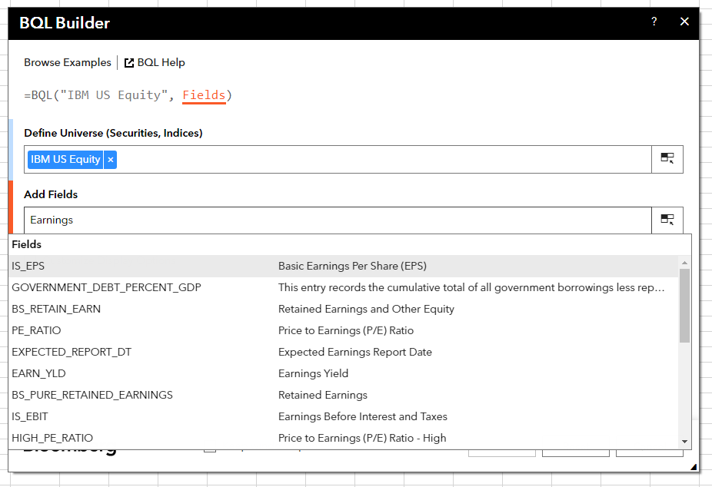
 | Bloomberg Ribbon: BQL Builder + BQL Query Editor
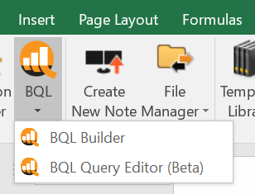

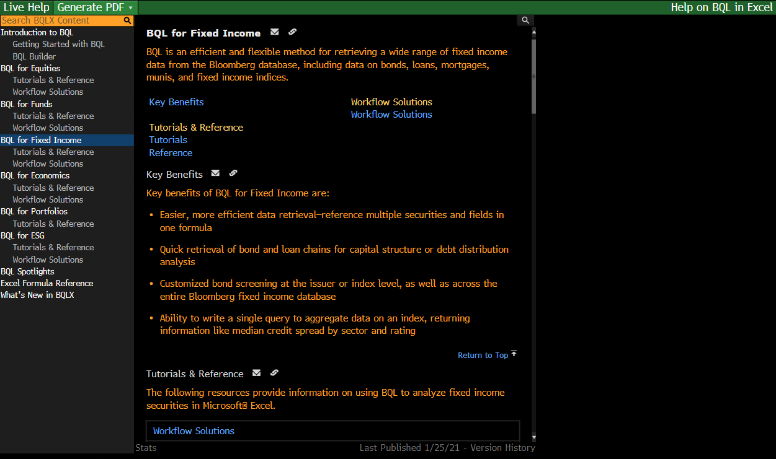
 | BQLX <GO> for HELP Page

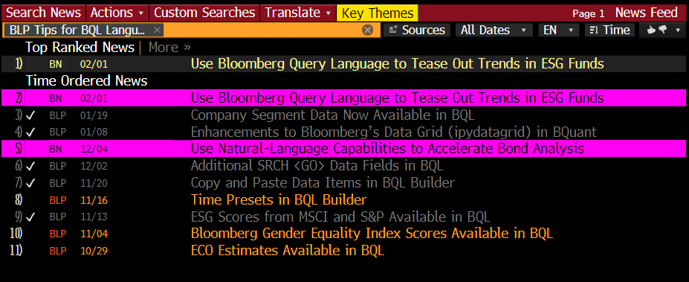
 | NI BLPBQL <GO>
 | Please subscribe it from "Actions" at the top -> Set Alert Delivery

